Screenshot
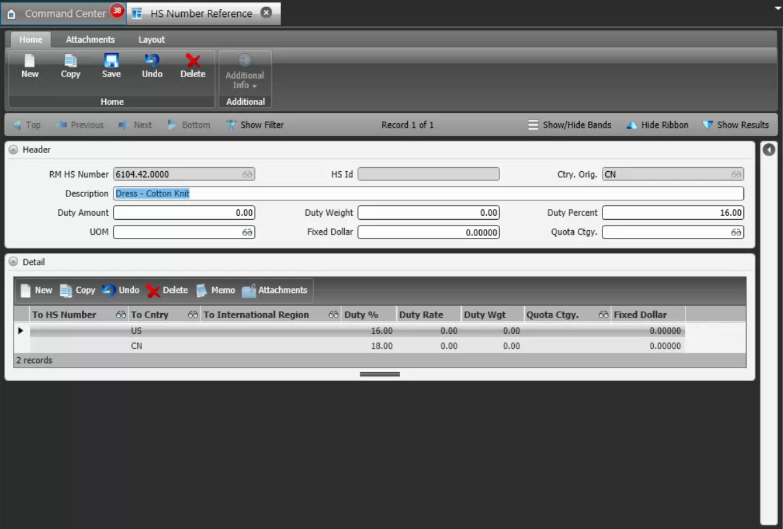
Reference Screen | HS Number reference

